Feuil1
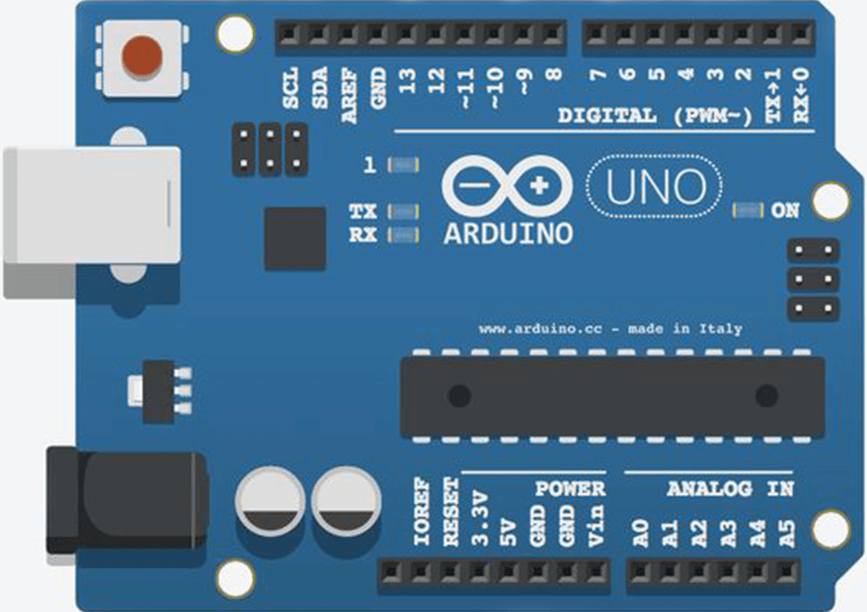
 |  |  |  |  |  |  |  |  | Shield | TV_Switch | LC_LED_PIN
 |  |  |  |  |  |  |  |  | 7SEG | LC_Switch
 |  |  |  |  |  |  |  |  |  | RAZ_PIN
 |  |  |  |  |  |  |  |  |  | H_PIN
 |  |  |  |  |  |  |  |  |  | N_PIN

 |  |  |  |  |  | GND
 |  | IOREF |  |  |  | 13
 | Shield | RESET |  |  |  | 12
 | Shield | 3.3V |  |  |  | 11
7SEG | Shield | 5V |  |  |  | 10 | Shield_CS
7SEG |  | GND |  |  |  | 9
 |  | GND |  |  |  | 8 | Shield_8
 |  | Vin |  |  |  | 7 | Shield_7
 |  |  |  |  |  | 6
 |  | A0 |  |  |  | 5
 |  | A1 |  |  |  | 4
 |  | A2 |  |  |  | 3 |  | CLOCKPIN
 |  | A3 |  |  |  | 2 | Shield_INT
I2C_DATA |  | A4 |  |  |  | TX - 1 |  | DATAPIN
I2C_CLOCK |  | A5 |  |  |  | RX - 0

 |  |  | RESET | SCK | MISO
 |  |  | GND | MOSI | VCC

